Sheet1
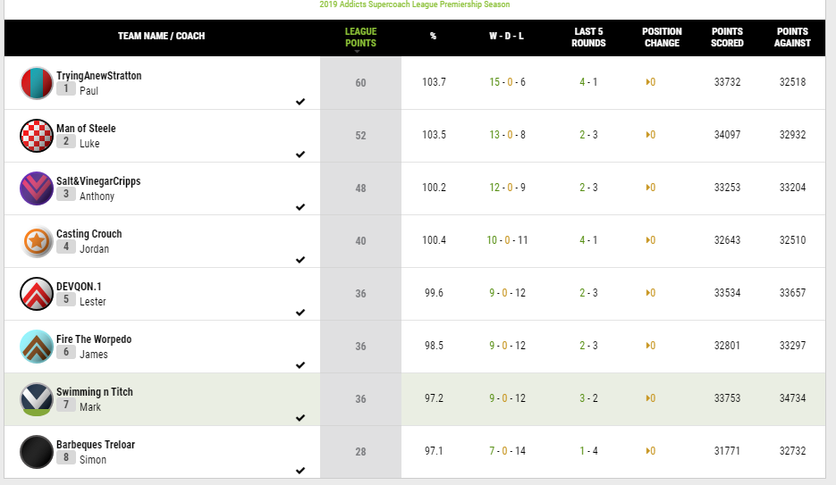
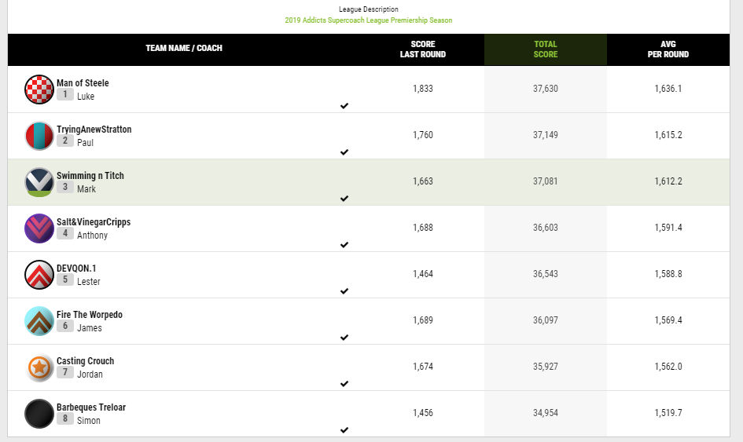
Kappaz
Final Position | Win/Draw/Loss | Total Points | Points Against
1st | 13-0-8

Non-Bye Average | High Score | Low Score
1650

Bye W-D-L | Bye Average
2-0-1

Top 3 players | Number of donuts | Number of injuries | Average score of injured players

Worst 3 players | Bench Utilisation | Worst bench decision

Ladder position line graph throughout season

 |  |  |  | TEAM NAME / COACH
 |  |  |  | LEAGUE
 |  |  |  | POINTS
 |  |  |  | %
 |  |  |  | W - D - L
 |  |  |  | LAST 5
 |  |  |  | ROUNDS
 |  |  |  | POSITION
 |  |  |  | CHANGE
 |  |  |  | POINTS
 |  |  |  | SCORED
 |  |  |  | POINTS
 |  |  |  | AGAINST
 |  |  |  | TryingAnewStratton
 |  |  |  | 1Paul
 |  |  |  | 60
 |  |  |  | 103.7
 |  |  |  | 15 - 0 - 6
 |  |  |  | 4 - 1
 |  |  |  | 0
 |  |  |  | 33732
 |  |  |  | 32518
 |  |  |  | Man of Steele
 |  |  |  | 2Luke
 |  |  |  | 52
 |  |  |  | 103.5
 |  |  |  | 13 - 0 - 8
 |  |  |  | 2 - 3
 |  |  |  | 0
 |  |  |  | 34097
 |  |  |  | 32932
 |  |  |  | Salt&VinegarCripps
 |  |  |  | 3Anthony
 |  |  |  | 48
 |  |  |  | 100.2
 |  |  |  | 12 - 0 - 9
 |  |  |  | 2 - 3
 |  |  |  | 0
 |  |  |  | 33253
 |  |  |  | 33204
 |  |  |  | Casting Crouch
 |  |  |  | 4Jordan
 |  |  |  | 40
 |  |  |  | 100.4
 |  |  |  | 10 - 0 - 11
 |  |  |  | 4 - 1
 |  |  |  | 0
 |  |  |  | 32643
 |  |  |  | 32510
 |  |  |  | DEVQON.1
 |  |  |  | 5Lester
 |  |  |  | 36
 |  |  |  | 99.6
 |  |  |  | 9 - 0 - 12
 |  |  |  | 2 - 3
 |  |  |  | 0
 |  |  |  | 33534
 |  |  |  | 33657
 |  |  |  | Fire The Worpedo
 |  |  |  | 6James
 |  |  |  | 36
 |  |  |  | 98.5
 |  |  |  | 9 - 0 - 12
 |  |  |  | 2 - 3
 |  |  |  | 0
 |  |  |  | 32801
 |  |  |  | 33297
 |  |  |  | Swimming n Titch
 |  |  |  | 7Mark
 |  |  |  | 36
 |  |  |  | 97.2
 |  |  |  | 9 - 0 - 12
 |  |  |  | 3 - 2
 |  |  |  | 0
 |  |  |  | 33753
 |  |  |  | 34734
 |  |  |  | Barbeques Treloar
 |  |  |  | 8Simon
 |  |  |  | 28
 |  |  |  | 97.1
 |  |  |  | 7 - 0 - 14
 |  |  |  | 1 - 4
 |  |  |  | 0
 |  |  |  | 31771
 |  |  |  | 32732

